Formula help
Getting quick help on formula functions

To get help on any formula function, start typing a formula in any cell. Excel will offer autocomplete suggestions.

Use the arrow keys or mouse to select the function you want from the suggestions list and press Tab. Excel will show you the list of parameters expected by that function. Optional parameters are shown in square brackets.
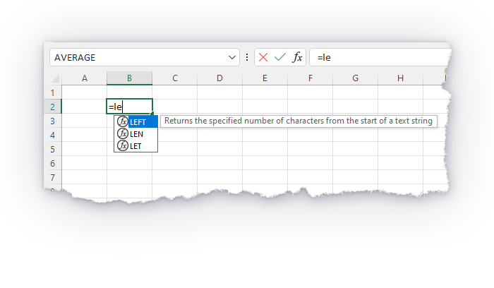
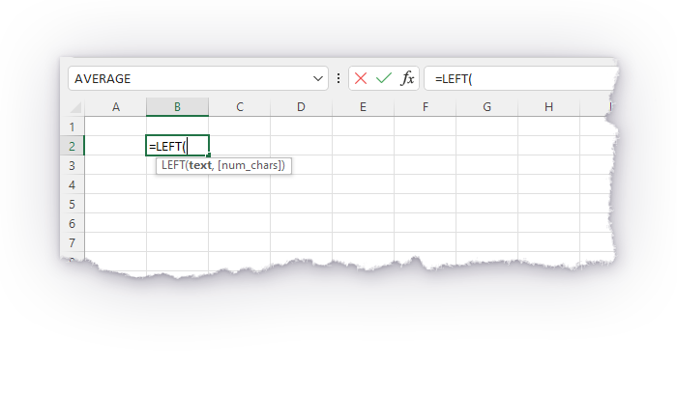

While in formula editing mode, as shown above, press F1 to call up in-depth contextual help. In modern version of Excel, a help panel will appear on the right-hand side of the screen.

Recommended formula functions

You are likely to need some of the following formulas during this activity.

IF() returns one value if a condition is TRUE, and a different value if the condition is FALSE. Note: IF() statements can be nested.

=IF(logical_test, [value_if_true], [value_if_false]) |  |  |  |  |  | ✔️ This function is included in your version of Excel

Formula |  | Output
=IF(TRUE, "A", "B") |  | A
=IF(FALSE, "A", "B") |  | B
=IF(1 / 2 = 0.5, "A", "B") |  | A
=IF(1 / 3 = 0.5, "A", "B") |  | B
=IF(LEFT("QA", 1) = "Q", 123, 456) |  | 123

AND() performs the logical AND operation. It returns TRUE if all of its input arguments are TRUE, and FALSE otherwise.

=AND(logical1, [logical2], ...) |  |  |  |  |  | ✔️ This function is included in your version of Excel

Formula |  | Output
=AND(TRUE, TRUE) |  | TRUE
=AND(TRUE, FALSE) |  | FALSE
=AND(FALSE, FALSE) |  | FALSE
=AND(TRUE, FALSE, #N/A) |  | #N/A
=AND(2 > 1, "a" = "a", 5 * 2 = 10) |  | TRUE
=AND(2 > 1, "a" = "a", 5 * 2 = 11) |  | FALSE

OR() performs the logical OR operation. It returns TRUE if any of its input arguments is TRUE, and FALSE otherwise.

=OR(logical1, [logical2], ...) |  |  |  |  |  | ✔️ This function is included in your version of Excel

Formula |  | Output
=OR(TRUE, TRUE) |  | TRUE
=OR(TRUE, FALSE) |  | TRUE
=OR(FALSE, FALSE) |  | FALSE
=OR(FALSE, TRUE, FALSE, FALSE) |  | TRUE
=OR(TRUE, FALSE, #N/A) |  | #N/A
=OR(2 > 1, "a" = "a", 5 * 2 = 11) |  | TRUE
=OR(2 < 1, "a" = "b", 5 * 2 = 11) |  | FALSE

NOT() performs the logical NOT operation. It returns TRUE if its argument is FALSE, and FALSE if its argument is TRUE.

=NOT(logical) |  |  |  |  |  | ✔️ This function is included in your version of Excel

Formula |  | Output
=NOT(TRUE) |  | FALSE
=NOT(FALSE) |  | TRUE
=NOT(1 = 1) |  | FALSE
=NOT(1 = 0) |  | TRUE
=NOT(#N/A) |  | #N/A
=NOT(NOT(TRUE)) |  | TRUE

The LEFT() and RIGHT() functions return a specified number of characters from the start or end of a string, respectively.

=LEFT(text, [num_chars]) |  |  |  |  |  | ✔️ This function is included in your version of Excel

=RIGHT(text, [num_chars]) |  |  |  |  |  | ✔️ This function is included in your version of Excel

Formula |  | Output
=LEFT("abcde", 1) |  | a
=LEFT("abcde", 3) |  | abc
=LEFT("abcde", 100) |  | abcde
=RIGHT("abcde", 1) |  | e
=RIGHT("abcde", 4) |  | bcde

MID() returns a specified number of characters from any specified start position within a string.

=MID(text, start_num, num_chars) |  |  |  |  |  | ✔️ This function is included in your version of Excel

Formula |  | Output
=MID("abcde", 1, 1) |  | a
#N/A
=MID("abcde", 2, 1) |  | b
=MID("abcde", 2, 4) |  | bcde
=MID("abcde", 4, 100) |  | de

LEN() returns the number of characters in a string.

=LEN(text) |  |  |  |  |  | ✔️ This function is included in your version of Excel

Formula |  | Output
=LEN("a") |  | 1
=LEN("b") |  | 1
=LEN("ab") |  | 2
=LEN("abcde") |  | 5
=LEN("1234567") |  | 7

TRIM() removes any number of space characters from both the start and end of a string simultaneously.

=TRIM(text) |  |  |  |  |  | ✔️ This function is included in your version of Excel

Formula |  | Output
=TRIM("abc") |  | abc
=TRIM(" abc") |  | abc
=TRIM("abc ") |  | abc
=TRIM(" abc ") |  | abc
=TRIM(" ")

SUBSTITUTE() replaces a substring inside a string.

=SUBSTITUTE(text, old_text, new_text, [instance_num]) |  |  |  |  |  | ✔️ This function is included in your version of Excel

Memory aid:
text | Haystack
old_text | Needle
new_text | What to replace needle with

Formula |  | Output
=SUBSTITUTE("abcabc", "a", "z") |  | zbczbc
=SUBSTITUTE(" a a a ", " ", "") |  | aaa
=SUBSTITUTE("Expel is pool", "p", "c") |  | Excel is cool
=SUBSTITUTE("fork", "or", "**") |  | f**k
=SUBSTITUTE("aabaaabb", "aaab", "_") |  | aab_b
=SUBSTITUTE("aaaaa", "a", "b", 2) |  | abaaa
=SUBSTITUTE("aaaaa", "a", "b", 5) |  | aaaab

FIND() returns the start position of a substring inside another string, or #VALUE! if the substring is not present.

=FIND(find_text, within_text, [start_num]) |  |  |  |  |  | ✔️ This function is included in your version of Excel

Memory aid:
find_text | Needle
within_text | Haystack

Formula |  | Output
=FIND("b", "banana") |  | 1
=FIND("n", "banana") |  | 3
=FIND("a", "banana") |  | 2
=FIND("a", "banana", 3) |  | 4
=FIND("abb", "aabababba") |  | 6
=FIND("z", "abc") |  | #VALUE!

IFERROR() returns the value inside the brackets, unless the value is an error (#VALUE!, #N/A, etc.), in which case it returns a specified default value.

=IFERROR(value, value_if_error) |  |  |  |  |  | ✔️ This function is included in your version of Excel

Formula |  | Output
=IFERROR(1 / 2, "error") |  | 0.5
=IFERROR(1 / 0, "error") |  | error
=IFERROR(#N/A, "error") |  | error
=IFERROR("abc", "error") |  | abc
=IFERROR("abc" + 1, "error") |  | error

ISERROR() returns TRUE if its argument is an error value, and FALSE otherwise.

=ISERROR(value) |  |  |  |  |  | ✔️ This function is included in your version of Excel

Formula |  | Output
=ISERROR(123) |  | FALSE
=ISERROR("abc") |  | FALSE
=ISERROR(123 + "abc") |  | TRUE
=ISERROR(1 / 0) |  | TRUE
=ISERROR(10 ^ 1000) |  | TRUE
=ISERROR(#N/A) |  | TRUE
=ISERROR(non_existent_name) |  | TRUE

Operators

Operators are special characters such as +, -, * and / that trigger certain calculations within a formula. For example, the + operator performs addition between two numbers.

The +, -, * and / operators perform basic arithmetic operations on numbers.
Note: many formula functions return a number, such as LEN(), FIND() and SQRT().

=1 + 2 - 3 * 4 / 5 |  |  |  |  |  | ✔️ This function is included in your version of Excel

Formula |  | Output
=2 + 3 |  | 5
=2 * 3 |  | 6
=2 - 3 |  | -1
=2 / 3 |  | 0.66666666667
=1 + 2 - 3 * 4 / 5 |  | 0.6
=LEN("abcde") * 2 |  | 10
=SQRT(1 + FIND("a", "spam")) / 4 |  | 0.5

The & operator concatenates two strings. If either argument is not a string, it is coerced (converted) to string if possible.

="String1" & "String2" |  |  |  |  |  | ✔️ This function is included in your version of Excel

Formula |  | Output
="Q" & "A" |  | QA
="Hello " & "world" |  | Hello world
="a" & "bcd" & "e" |  | abcde
=123 & 123 |  | 123123
=TRUE & FALSE |  | TRUEFALSE
="abc" & #N/A |  | #N/A
="abc" & 1/0 |  | #DIV/0!

Other formula functions

Formulas that might be of interest if you are trying a creative approach.

TEXTJOIN() concatenates the contents of a range of cells into a single string with a specified delimiter.

=TEXTJOIN(delimiter, ignore_empty, text1, ...) |  |  |  |  |  | ✔️ This function is included in your version of Excel

Input array
a | b |  |  | c

Formula |  | Output
=TEXTJOIN("", TRUE, $B$253:$F$253) |  | abc
=TEXTJOIN("", FALSE, $B$253:$F$253) |  | abc
=TEXTJOIN("-", FALSE, $B$253:$F$253) |  | a-b---c
=TEXTJOIN(",", TRUE, $B$253:$F$253) |  | a,b,c
=TEXTJOIN(",", FALSE, $B$253:$F$253) |  | a,b,,,c
=TEXTJOIN("***", TRUE, $B$253:$F$253) |  | a***b***c

Excel 365/2021+ formula functions

The following formulas are available only in Excel 365 or Excel 2021+.

SEQUENCE() is a dynamic array formula that returns an ordered sequence of integers, given a sequence length and optional starting number and step. The return array can be a row, a column, or a 2D array.

=SEQUENCE(rows, columns, [start], [step]) |  |  |  |  |  | ✔️ This function is included in your version of Excel

Formula |  | Output
=SEQUENCE(1, 3) |  | 1 | 2 | 3

=SEQUENCE(1, 3, 6) |  | 6 | 7 | 8

=SEQUENCE(1, 3, 6, 2) |  | 6 | 8 | 10

=SEQUENCE(1, 5, , 2) |  | 1 | 3 | 5 | 7 | 9

=SEQUENCE(3, 1) |  | 1
 |  | 2
 |  | 3

=SEQUENCE(3, 1, -10) |  | -10
 |  | -9
 |  | -8

=SEQUENCE(3, 1, -100, 100) |  | -100
 |  | 0
 |  | 100

=SEQUENCE(3, 5, 0, 1) |  | 0 | 1 | 2 | 3 | 4
 |  | 5 | 6 | 7 | 8 | 9
 |  | 10 | 11 | 12 | 13 | 14

LET() allows you to define and reuse variables within its scope.

=LET(name1, name_value1, calculation_or_name2, [name_value2, ...) |  |  |  |  |  |  | ✔️ This function is included in your version of Excel

Formula |  | Output
=LET(x, 123, x) |  | 123
=LET(x, 5, x ^ 2) |  | 25
=LET(x, 4, y, 8, x * y) |  | 32
=LET(name, "Jane", "Hello, " & name) |  | Hello, Jane
=LET(x, 2, y, 5, z, x + y, z + 1) |  | 8

